Test Summary Report
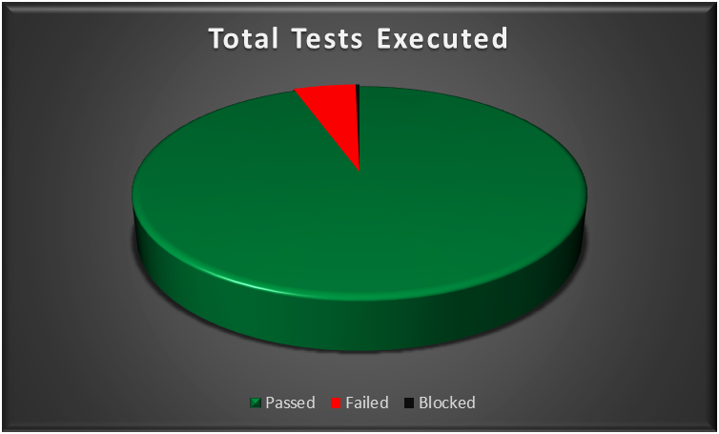
Test Report
Test Cycle | System Test
Executed | Passed |  |  |  | 287
 | Failed |  |  |  | 15
 | Total Tests Executed (Passed + Failed) |  |  |  |  | 302 | Total Tc's | 302
Pending |  |  |  |  |  | 0 | Passed | 287
In Progress |  |  |  |  |  | 0 | Failed | 15 | Total TCs | 305
Blocked |  |  |  |  |  | 1 | Blocked | 1 | Passed | 288
(Sub-Total) Test Planed |  |  |  |  |  | 302 |  |  | Failed | 16
[Pending - In Progress - Blocked - Test Executed] |  |  |  |  |  |  |  |  | Blocked | 1

Functions (Test Scenarios) | Description | TCs Excuted % | TCs Passed % | TCs pending | Priority | Remarks
Login | ESS-User can log in with a valid username and password provided by the HR Admin | 100% | 85% | 0% | High
Personal Details | The ESS-User can add/edit their personal information details. | 100% | 100% | 0% | High
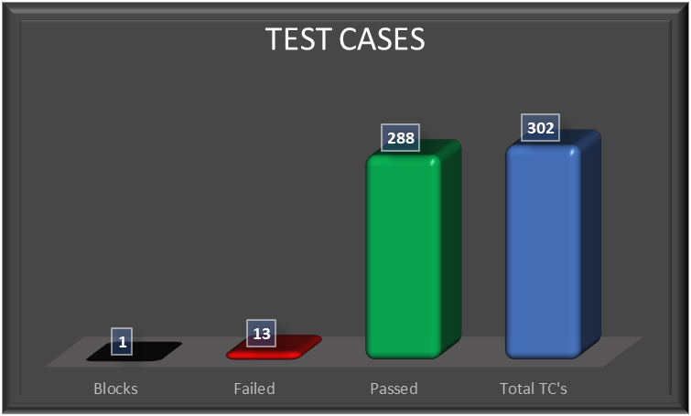
Photograph | The ESS-User can add/edit their profile photo. | 100% | 100% | 0% | Low
Contact Details | The ESS-User can add/edit their Contact Details. | 100% | 92% | 0% | High
Emergency Contact | The ESS-User can add/delete their Emergency Contact details and upload supporting documents. | 100% | 100% | 0% | High
Dependents | The ESS-User can add/delete their Dependents details and upload supporting documents. | 100% | 100% | 0% | Medium
Immigration | The ESS-User can add/delete their Immigration details and upload supporting documents. | 100% | 93% | 0% | Medium
Job Details | The ESS-User is able to view job details, without being able to change it. | 100% | 100% | 0% | High
Passsed Percentage
Salary | The salary details section of the ESS-User is completely hidden So that , salary information is protected and only accessible by the HR Admin. | 100% | 75% | 0% | High
Report To | The ESS-User, is able to view the list of assigned supervisors (and subordinates if he's a supervisor). | 100% | 100% | 0% | Medium
Qualifications | The ESS-User, can manage (add, update, and delete) his qualifications — including Work Experience, Education, Skills, Languages, Licenses, and Attachments. | 100% | 90% | 0% | High
Membership | The ESS-User, can add, update, and delete his membership details and upload supporting attachments. | 100% | 100% | 0% | Low
User Management Module | Admin create user accounts with roles (Admin/ESS), and can edit or delete user accounts. | 100% | 92% | 0% | High
Job Titles | Admin can add/edit/delete job titles | 100% | 77% | 0% | High
Pay Grades | Admin can add/edit/delete pay grades with identifying salary ranges. | 100% | 100% | 0% | High
Employment Status | Admin can add/edit/delete employment status. | 100% | 88% | 0% | High
Job Categories | Admin can create/edit/delete job categories. | 100% | 88% | 0% | High
Work Shifts | Admin can assign work shirts for employees. | 100% | 100% | 0% | High
General Information | Admin can edit companies general information. | 100% | 89% | 0% | Medium
Locations | the admin control the Locations feature and perform opreations related to it like (search, add , edit , delete , view ) | 100% | 90% | 0% | High
Structure | the admin control the Structure feature and perform opreations related to the units and sub units like (search, expand, collapes, add , edit , delete , view ) | 100% | 82% | 0% | High
Skills | the admin control the skills feature and perform opreations related to it like ( add , edit , delete , view ) | 100% | 89% | 0% | High
Education | the admin control the Education feature and perform opreations related to it like ( add , edit , delete , view ) | 100% | 90% | 0% | Medium
License | the admin control the License feature and perform opreations related to it like add , edit , delete , view ) | 100% | 90% | 0% | High
Languages | the admin control the Languages feature and perform opreations related to it like (, add , edit , delete , view ) | 100% | 90% | 0% | Medium
Memberships | the admin control the Memberships feature and perform opreations related to it like (add , edit , delete , view ) | 100% | 90% | 0% | High

